Figure S1
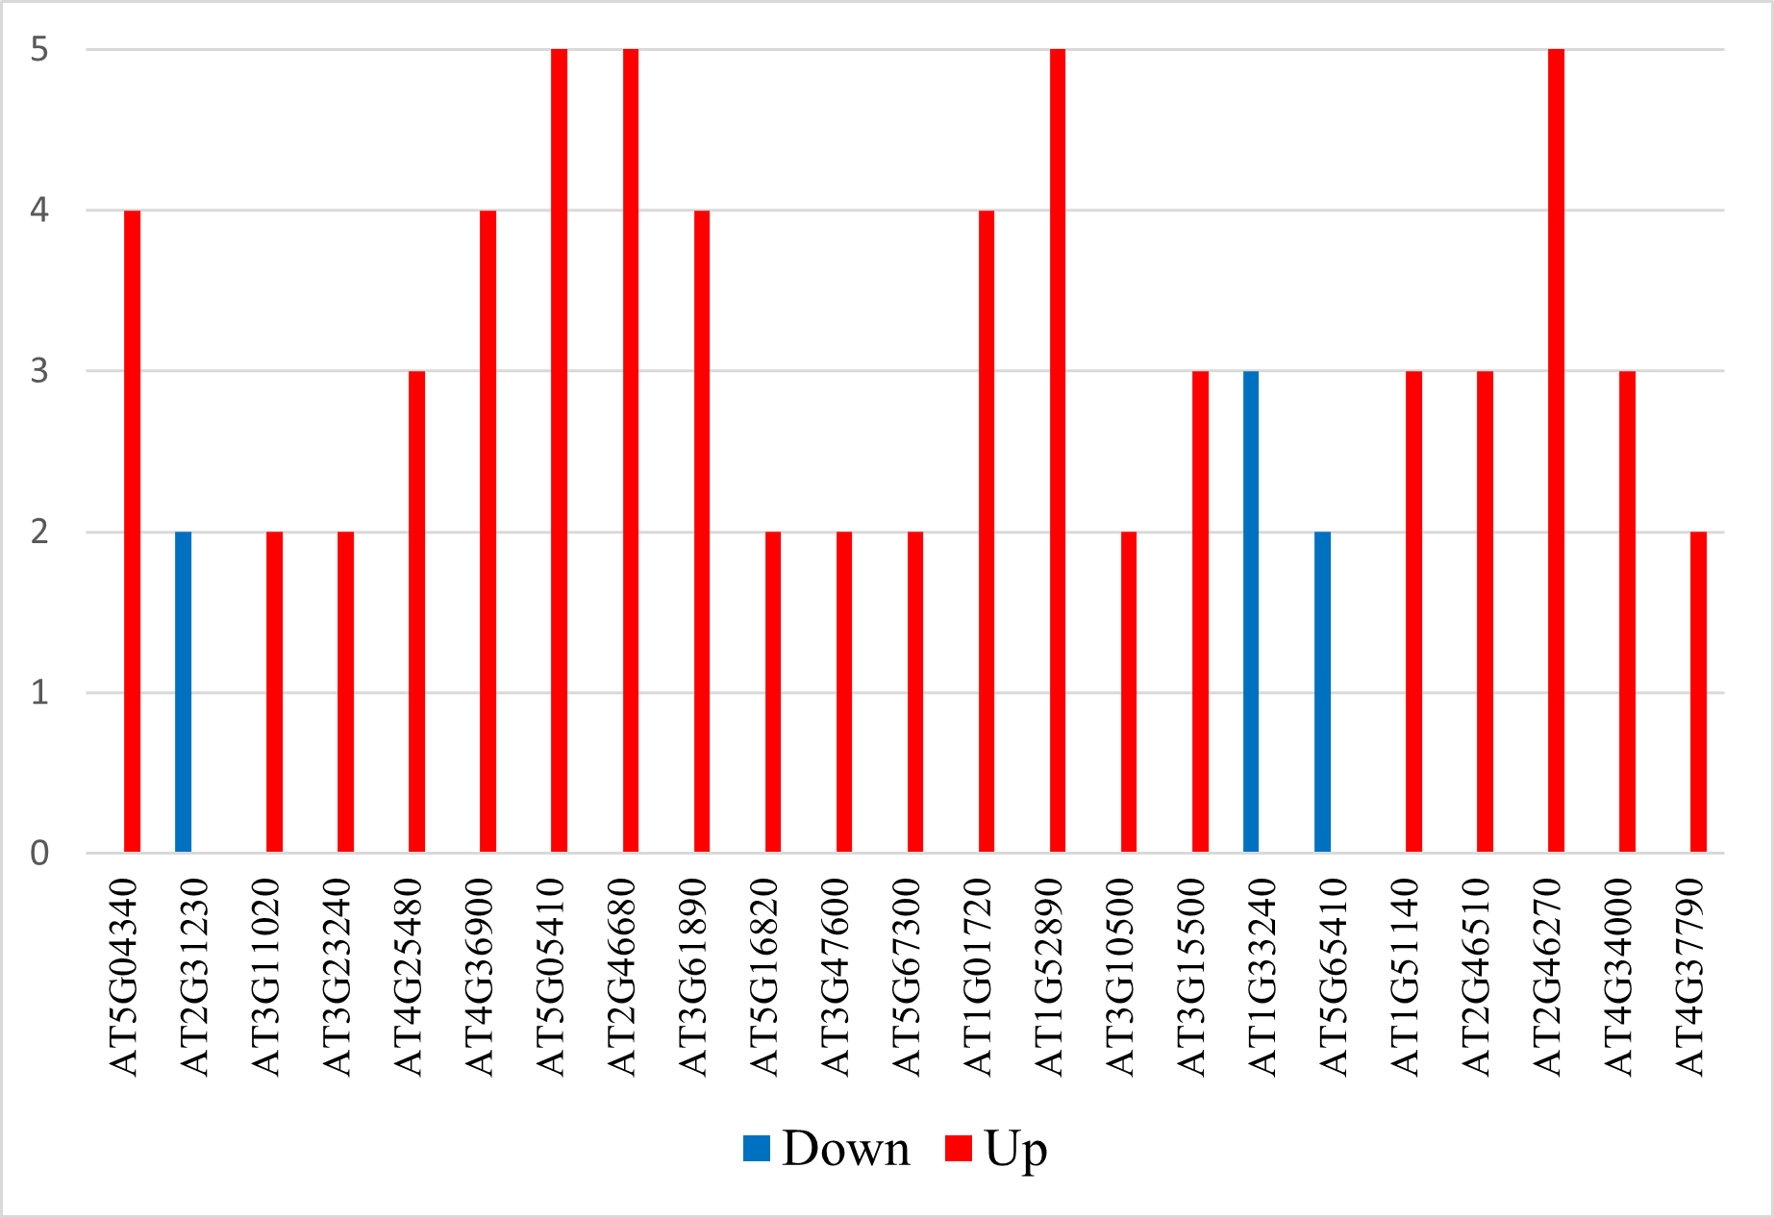
Figure S1. Distribution of stable unidirectional DEG TFs according to the number of experiments in which they were identified.

