Figure S1
Figure S1. Scheme for obtaining F3 and F4 generation plants.

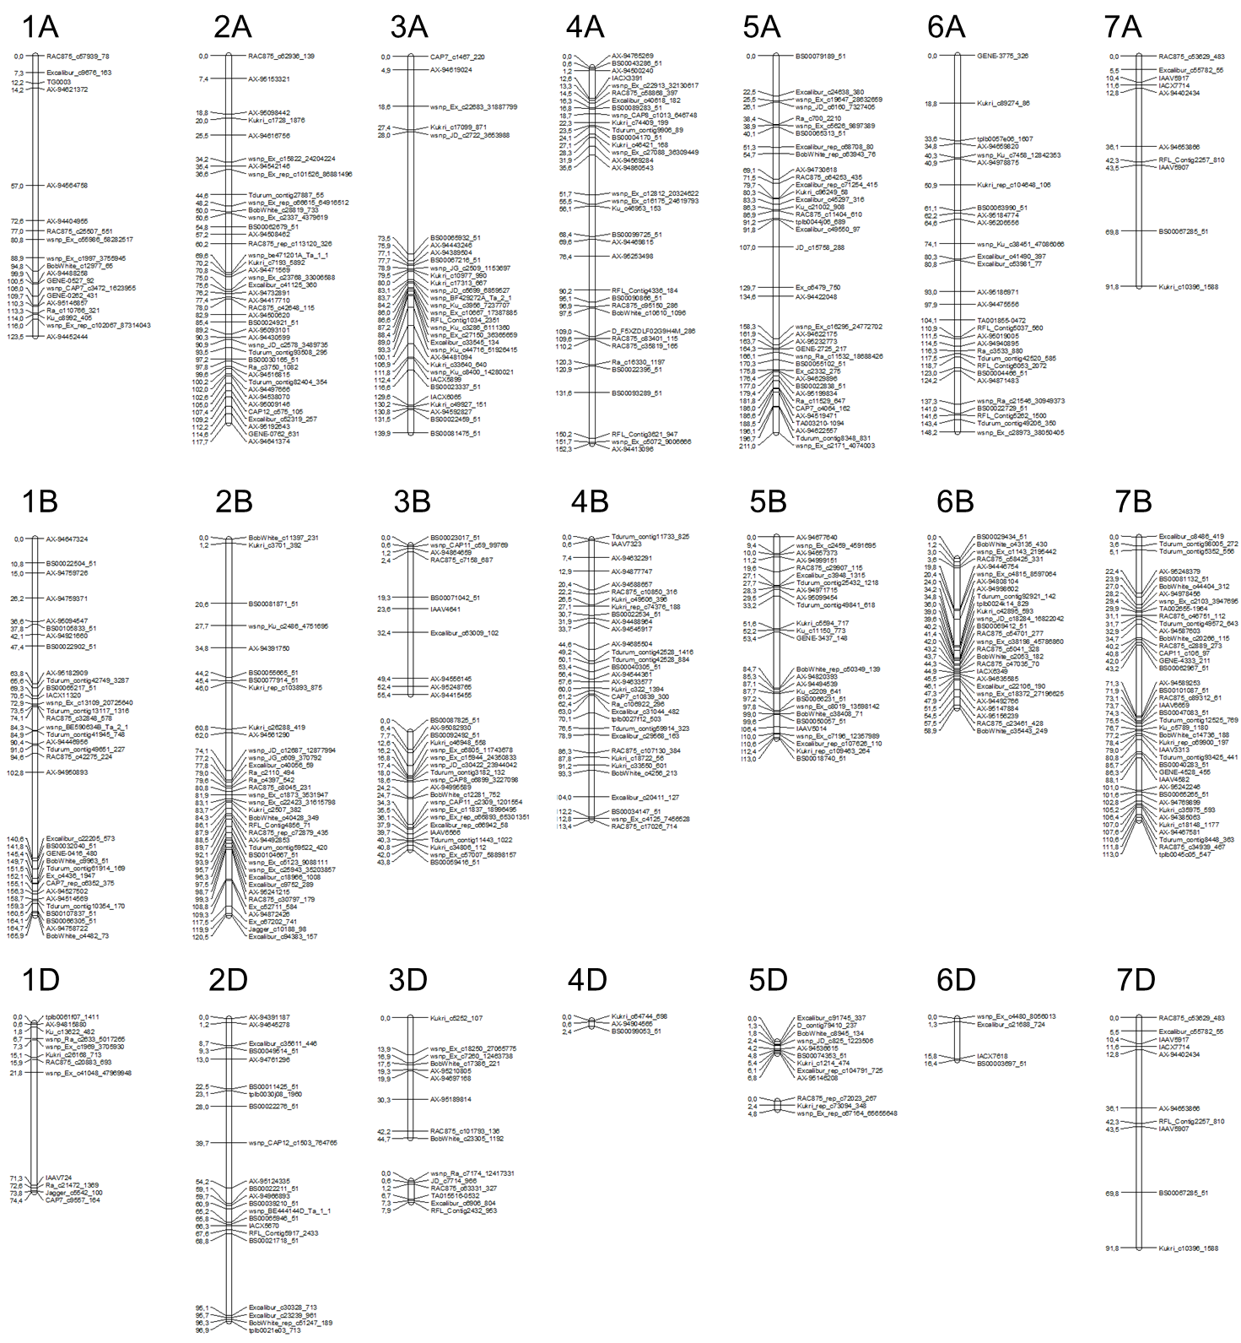

Figure S2
Figure S2.Genetic maps constructed based on SNP genotyping data for the Obskaya 2 × Tulun 15 population. Genetic distances were calculated using the Kosambi function.

